Sheet1
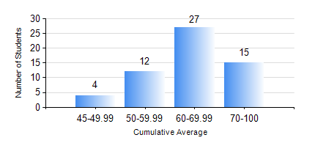
 |  |  | KWAME NKRUMAH UNIVERSITY OF SCIENCE AND TECHNOLOGY, KUMASI Department of Mechanical Engineering

 |  |  | BSC. AEROSPACE ENG., General Option

 |  |  | COMPREHENSIVE RECORD OF EXAMINATION RESULTS

 |  |  | RESULTS OF YEAR 2 SECOND SEMESTER, 2020/2021 ACADEMIC YEAR

 | Sn | Course Code |  | Course Name | Credit Hours | Min. Mark | Max. Mark | Avg. Mark | Std. Dev. | No. Passed | No. Trailed | No. (Df) | No. (I) | No. (I*) | No. Tagged(I,I*,Df) | Total
 | 0. |  |  |  |  |  |  | 0 | 0 | 0 | 0 | 0 | 0 | 0 | 0 | 4
 | 1. | AERO 256 |  | AEROSPACE STRUCTURES | 3 | 18 | 97 | 71 | 18.07 | 53 | 1 | 0 | 0 | 0 | 0 | 54
 | 2. | AERO 274 |  | AEROSPACE DESIGN PROJECT II | 2 | 33 | 90 | 72 | 11.98 | 53 | 1 | 0 | 0 | 0 | 0 | 54
 | 3. | ENGL 264 |  | LITERATURE IN ENGLISH II | 1 | 48 | 82 | 69 | 6.92 | 54 | 0 | 0 | 0 | 0 | 0 | 54
 | 4. | MATH 252 |  | CALCULUS WITH SEVERAL VARIABLES | 4 | 30 | 87 | 56 | 12.7 | 50 | 4 | 0 | 0 | 0 | 0 | 54
 | 5. | ME 258 |  | COMPUTER-AIDED DESIGN AND MODELLING | 3 | 24 | 90 | 57 | 17.52 | 49 | 5 | 0 | 0 | 0 | 0 | 54
 | 6. | ME 264 |  | MECHANISMS SYNTHESIS AND ANALYSIS | 3 | 40 | 94 | 65 | 13.34 | 54 | 0 | 0 | 0 | 0 | 0 | 54
 | 7. | ME 266 |  | THERMODYNAMICS | 2 | 40 | 86 | 64 | 10.66 | 54 | 0 | 0 | 0 | 0 | 0 | 54

